INSTRUCTIONS
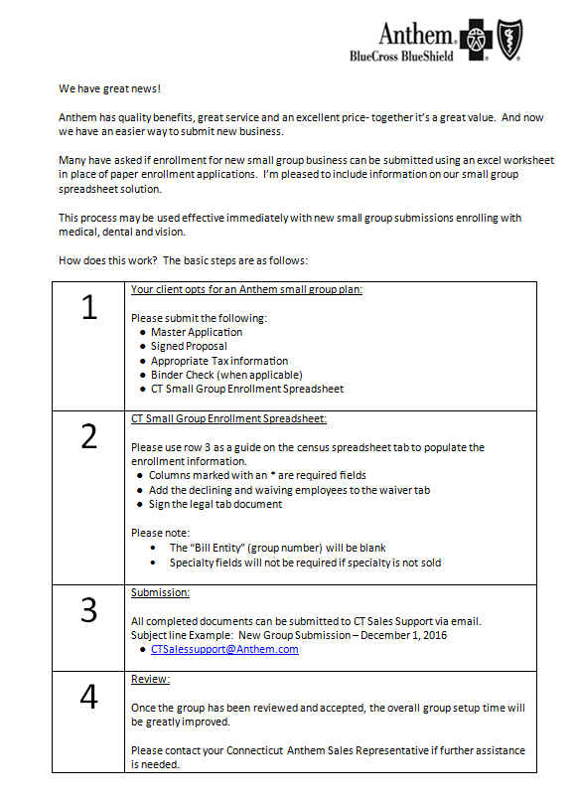

LEGAL
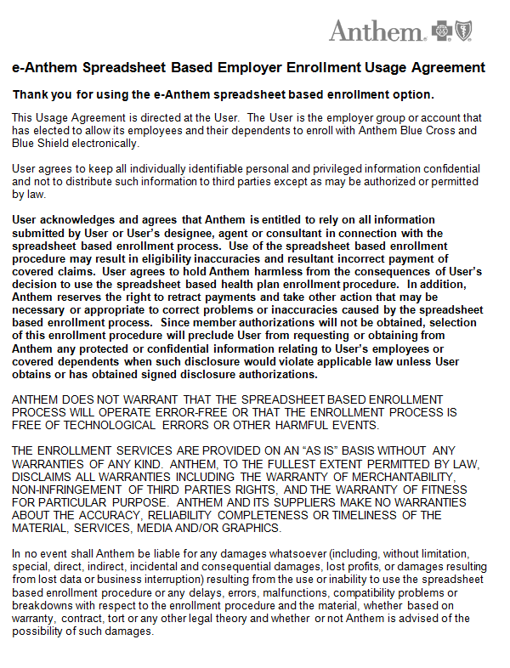

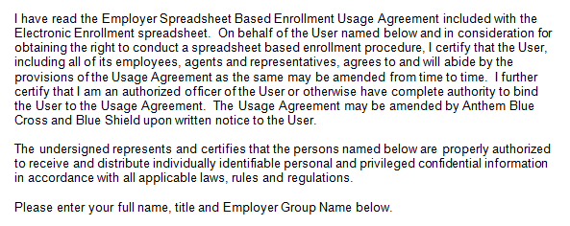

Name: ______________________________________________________________________________

Title: ______________________________________________________________________________

Employer Group Name: ___________________________________________________________

Name: ______________________________________________________________________________

Title: ________________________________________________________________________________

Employer Group Name: _______________________________________________________________

